Aloca_int_double
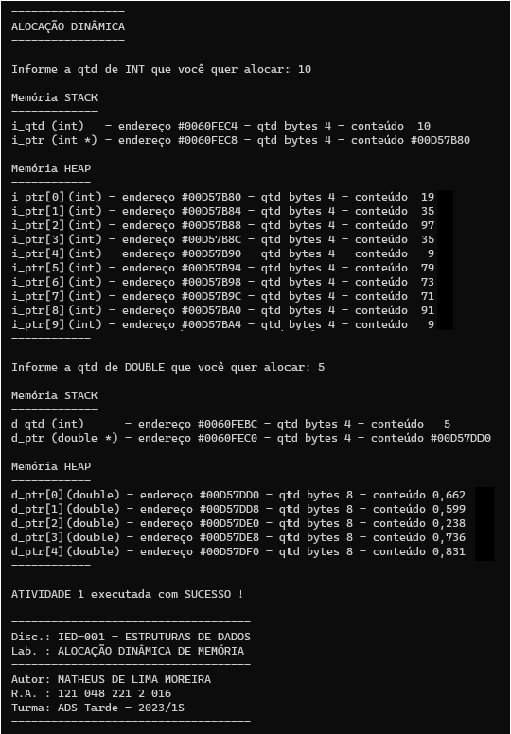
 |  | "programa" |  | "livre"
 |  | STACK |  | HEAP
 |  | <-- 4 bytes --> |  | <-- 4 bytes -->
 |  | #0060FEC8 |  | #00D57B80 | #00D57B84 | #00D57B88 | #00D57B8C | #00D57B90 | #00D57B94 | #00D57B98 | #00D57B9C | #00D57BA0 | #00D57BA4
 | int * i_ptr | #00D57B80 |  | 19 | 35 | 97 | 35 | 9 | 79 | 73 | 71 | 91 | 9
 |  | #0060FEC4 |  | i_ptr[0] | i_ptr[1] | i_ptr[2] | i_ptr[3] | i_ptr[4] | i_ptr[5] | i_ptr[6] | i_ptr[7] | i_ptr[8] | i_ptr[9]
 | int i_qtd | 10
 |  | #0060FEC0 |  | #00D57DD0 |  | #00D57DD8 |  | #00D57DE0 |  | #00D57DE8 |  | #00D57DF0
 | double * d_ptr | #00D57DD0 |  | 0.662 |  | 0.599 |  | 0.238 |  | 0.736 |  | 0.831
 |  | #0060FEBC |  | d_ptr[0] |  | d_ptr[1] |  | d_ptr[2] |  | d_ptr[3] |  | d_ptr[4]
 | int d_qtd | 5

 | int k

 | STACK |  |  |  |  | HEAP
 | 0 | 4 | 8 | C |  | 0 | 4 | 8 | C
 |  |  |  |  |  | 19 | 35 | 97 | 35
 |  |  |  |  |  | 9 | 79 | 73 | 71
 |  |  |  |  |  | 91 | 9
 |  |  |  | 5 |  | 0.662 |  | 0.599
#0060FEC | #00D57DD0 | 10 | #00D57B80 |  |  | 0.238 |  | 0.736
 |  |  |  |  |  | 0.831

Aloca_CLIENTE
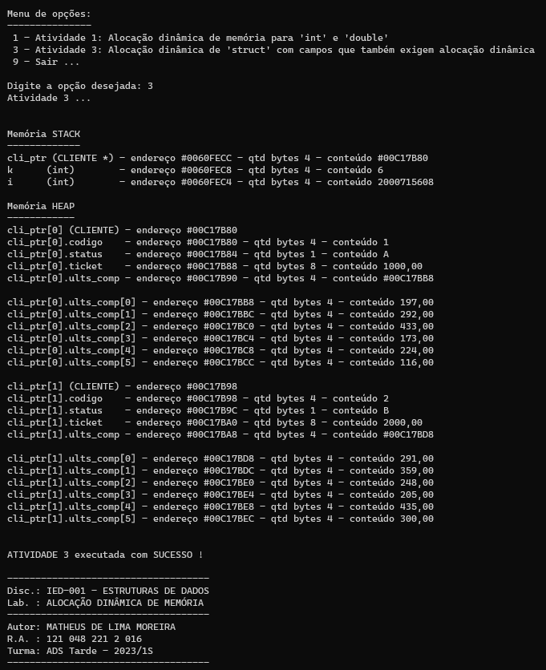
 |  | "programa" |  | "livre" |  |  |  |  | word "vaga" para
 |  | STACK |  | HEAP |  | cli_ptr[0] |  |  | alinhamento de |  |  | cli_ptr[1]
 |  | <-- 4 bytes --> |  | <-- 4 bytes --> |  |  |  |  | double'
 |  | #0060FECC |  | #00C17B80 | #00C17B84 | #00C17B88 |  | #00C17B90 |  | #00C17B98 | #00C17B9C | #00C17BA0 | #00C17BA4 | #00C17BA8
 | CLIENTE * cli_ptr | #00C17B80 |  | 1 | A | 1000.00 |  | #00C17BB8 |  | 2 | B | 2000.00 |  | #00C17BD8
 |  | #0060FEC8 |  | codigo | status | ticket |  | ults_comp |  | codigo | status | ticket |  | ults_comp
 | int k | 6
 |  | #0060FEC4 |  |  |  |  |  |  |  |  |  |  |  | #00C17BD8 | #00C17BDC | #00C17BE0 | #00C17BE4 | #00C17BE8 | #00C17BEC
 | int i | 2000715608 |  |  |  |  |  |  |  |  |  |  |  | 291.00 | 359.00 | 248.00 | 205.00 | 435.00 | 300.00
 |  |  |  |  |  |  |  |  |  |  |  |  |  | ults_comp[0] | ults_comp[1] | ults_comp[2] | ults_comp[3] | ults_comp[4] | ults_comp[5]
 |  |  |  |  |  |  |  | #00C17BB8 | #00C17BBC | #00C17BC0 | #00C17BC4 | #00C17BC8 | #00C17BCC
 |  |  |  |  |  |  |  | 197.00 | 292.00 | 433.00 | 173.00 | 224.00 | 116.00
 |  |  |  |  |  |  |  | ults_comp[0] | ults_comp[1] | ults_comp[2] | ults_comp[3] | ults_comp[4] | ults_comp[5]

 | STACK |  |  |  |  | HEAP
 | 0 | 4 | 8 | C |  | 0 | 4 | 8 | C
 |  |  |  |  |  | 1 | A | 1000.00
 |  |  |  |  |  | #00C17BB8 |  | 2 | B
 |  |  |  |  |  | 2000.00 |  | #00C17BD8
#0060FEC |  | i | k | cli_ptr |  |  |  | 197.00 | 292.00
 |  |  |  |  |  | 433.00 | 173.00 | 224.00 | 116.00
 |  |  |  |  |  |  |  | 291.00 | 359.00
 |  |  |  |  |  | 248.00 | 205.00 | 435.00 | 300.00

